Layout
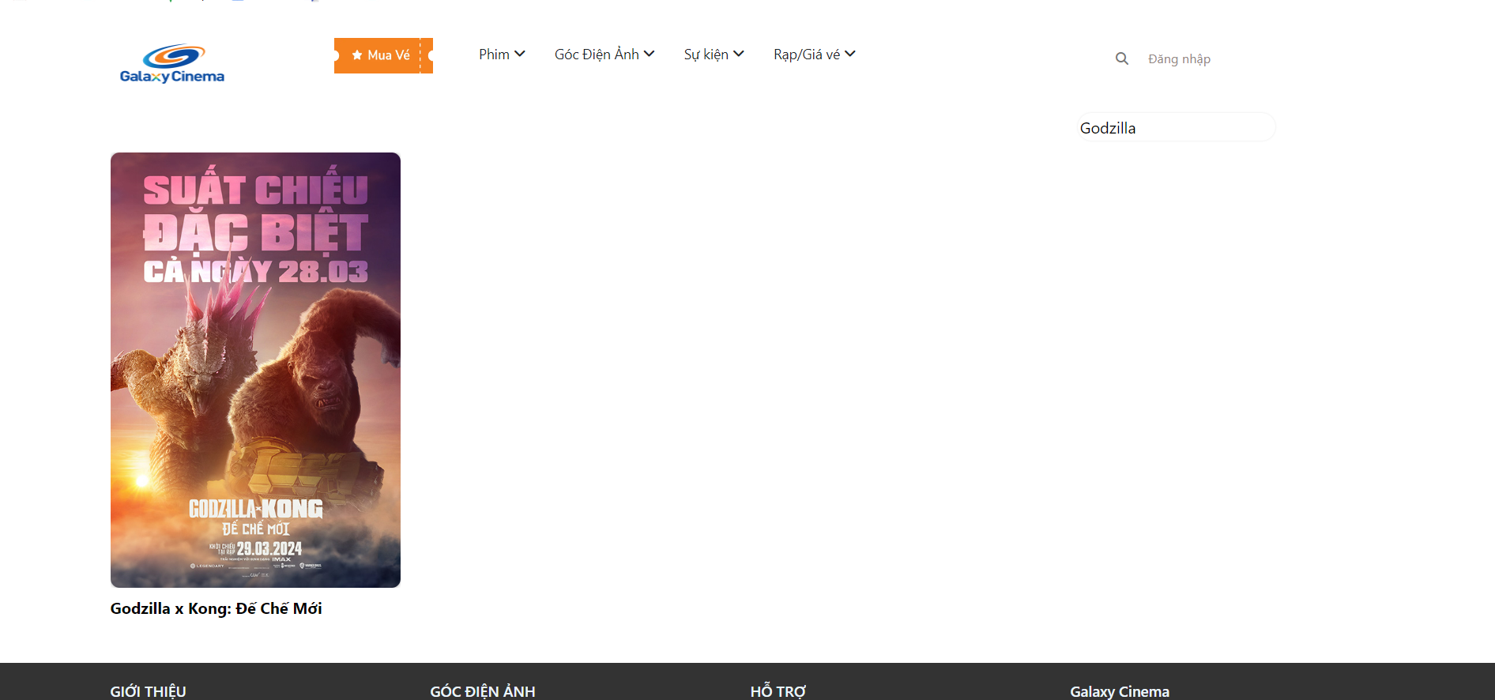
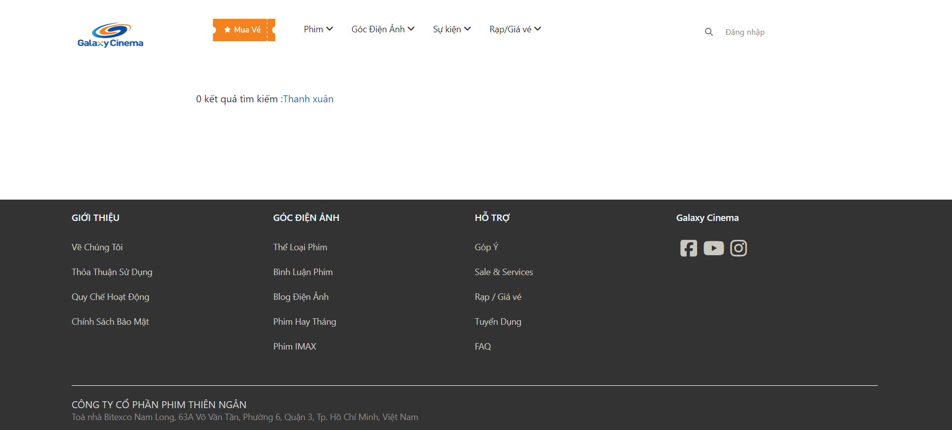
6.5.1.1. Màn hình danh sách phim

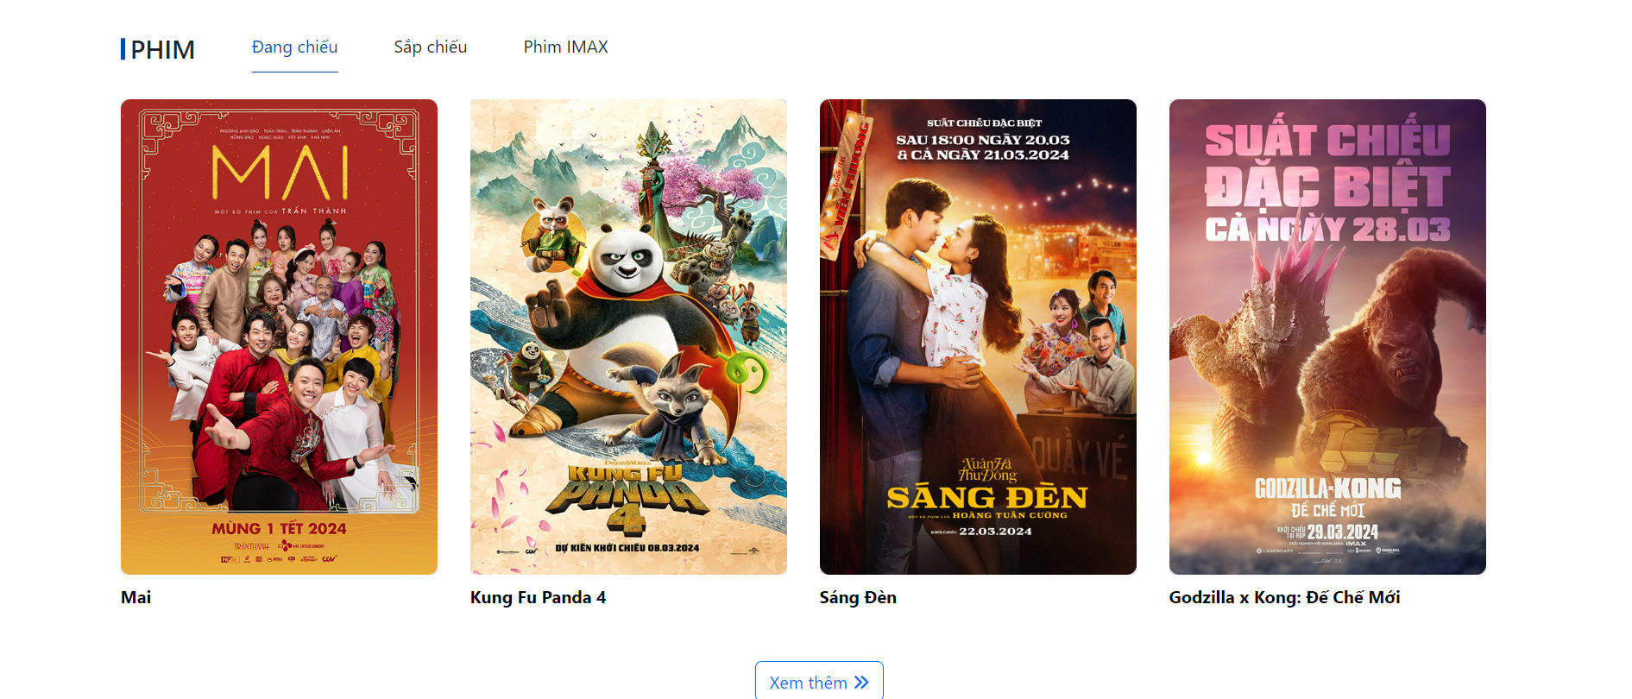

6.5.1.1. Màn hình danh sách tìm kiếm

